Sheet2
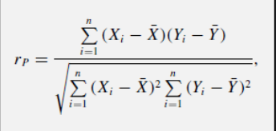
Nama | Usia | TB | BB
Agung Wahyu Prayogo | 22 | 165 | 62
Putri Windasari | 21 | 155 | 47
Reno Darin Khalifah Panarung | 21 | 180 | 75
Valent Aderiandra | 20 | 176 | 100
Fauziya Alya Ramadhana | 21 | 157 | 47

Usia (x) | TB (y) | xi-xbar | yi-ybar | (xi-xbar)(yi-ybar) | (xi-xbar)^2 | (yi-ybar)^2
22 | 165 | 1 | -1.6 | -1.6 | 1 | 2.56
21 | 155 | 0 | -11.6 | 0 | 0 | 134.56
21 | 180 | 0 | 13.4 | 0 | 0 | 179.56
20 | 176 | -1 | 9.4 | -9.4 | 1 | 88.36
21 | 157 | 0 | -9.6 | 0 | 0 | 92.16 |  | Usia | TB | BB
21 | 166.6 |  | sigma | -11 | 2 | 497.2 | Usia | 1 | -0.348828634 | -0.6046541521
^ rata2 | ^ rata |  |  |  |  |  | TB | -0.348828634 | 1 | 0.8572058721
 |  |  |  |  |  |  | BB | -0.6046541521 | 0.8572058721 | 1
 |  |  |  | correlation USIA TB | -0.348828634
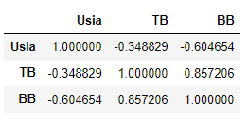

Usia (x) | BB (y) | xi-xbar | yi-ybar | (xi-xbar)(yi-ybar) | (xi-xbar)^2 | (yi-ybar)^2
22 | 62 | 1 | -4.2 | -4.2 | 1 | 17.64
21 | 47 | 0 | -19.2 | 0 | 0 | 368.64
21 | 75 | 0 | 8.8 | 0 | 0 | 77.44
20 | 100 | -1 | 33.8 | -33.8 | 1 | 1142.44
21 | 47 | 0 | -19.2 | 0 | 0 | 368.64
21 | 66.2 |  | sigma | -38 | 2 | 1974.8

 |  |  |  | correlation USIA BB | -0.6046541521

TB (x) | BB (y) | xi-xbar | yi-ybar | (xi-xbar)(yi-ybar) | (xi-xbar)^2 | (yi-ybar)^2
165 | 62 | -1.6 | -4.2 | 6.72 | 2.56 | 17.64
155 | 47 | -11.6 | -19.2 | 222.72 | 134.56 | 368.64
180 | 75 | 13.4 | 8.8 | 117.92 | 179.56 | 77.44
176 | 100 | 9.4 | 33.8 | 317.72 | 88.36 | 1142.44
157 | 47 | -9.6 | -19.2 | 184.32 | 92.16 | 368.64
166.6 | 66.2 |  | sigma | 849.4 | 497.2 | 1974.8

 |  |  |  | correlation TB BB | 0.8572058721

